I - 0
Appendix I

 | ABBREVIATIONS | EXPANSIONS
1 | BMT | Brooklyn Manhattan Tunnel
2 | CBD | Central Business District. Also called Hub in this report.
3 | HLT/HCT | Hugh L. Carrey Tunnel
4 | LTHT | Lincoln Tunnel and Holland Tunnel
5 | MTA Bus Co. | Metropolitan Transportation Authority Bus Company
6 | MTA LIRR | Metropolitan Transportation Authority Long Island Rail Road
7 | MTA MNR | Metropolitan Transporation Authority Metro North Rail
8 | MTA NYCT | Metropolitan Transportatin Authority New York City Transit
9 | N. E. Corridor | North East Corridor
10 | NEC / NJCL | North East Corridor / North Jersey Coast Line
11 | NJTPA | North Jersey Transportation Planning Authority
12 | NYCDOT | New York City Department of Transportation
13 | PANY&NJ | Port Authority of New York and New Jersey
14 | PATH | Port Authority Trans-Hudson (Rail)
15 | QBB | Queensboro Bridge
16 | SED | Socio-Economic Demographics
17 | SI | Staten Island
18 | WCDOT | Westchester County Department of Transportation

NOTE:
I. Changes in travel behavior due to the COVID-19 pandemic remain. However, there has been continuous and steady increase in travel since 2020.
II. Data collection methods, standards, etc. may have changed over the years in various ways. Care should be taken when comparing prior years' data.
III. Some data for 1999 were lost on 9/11/2001.

Table5 (A)
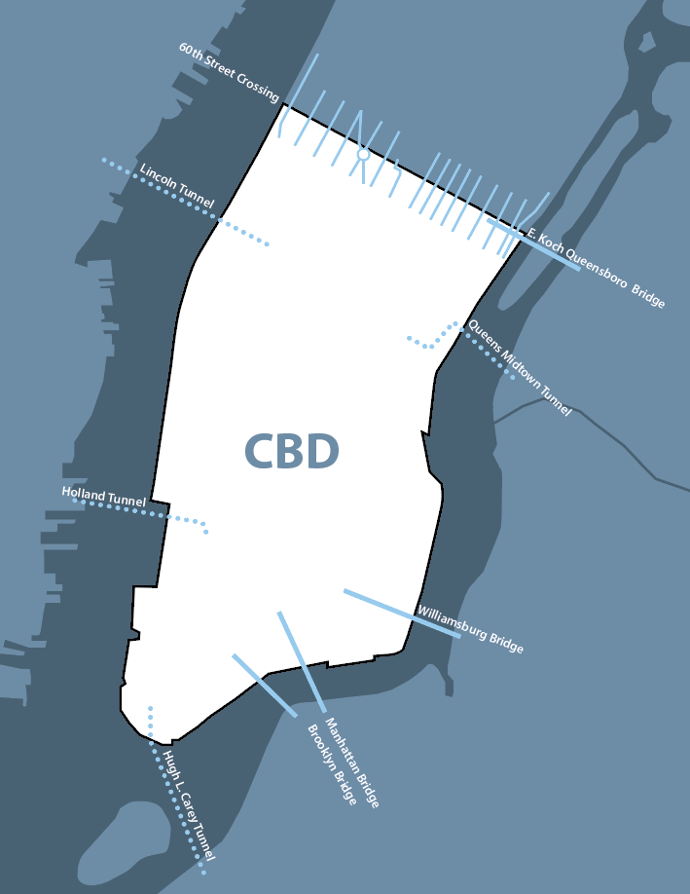
TABLE 5 - (A) |  |  |  |  |  |  |  |  |  |  | 2025-02-10
TOTAL PUBLIC TRANSIT PASSENGERS AND BICYCLISTS
ENTERING AND LEAVING THE HUB ON A FALL BUSINESS DAY
2015-2023

 | 2015 | 2016 | 2017 | 2018 | 2019 | 2020 |  | 2021 | 2022 | 2023

BUS PASSENGERS

60TH STREET SECTOR
FDR DRIVE (1) | - | - | - | - | - | - |  | - | - | -
YORK AVENUE | 4,055 | 3,792 | 2,702 | 2,424 | 2,630 | 1,202 |  | 2,035 | 2,890 | 3,746
FIRST AVE/SECOND AVE | 15,818 | 14,999 | 16,161 | 15,806 | 17,187 | 9,709 |  | 12,728 | 14,210 | 17,476
LEXINGTON AVE/THIRD AVE | 9,730 | 8,955 | 8,179 | 10,201 | 10,610 | 6,226 |  | 7,006 | 9,842 | 13,846
MADISON AVE/FIFTH AVE | 21,727 | 23,164 | 21,651 | 20,929 | 23,544 | 8,430 |  | 13,156 | 17,504 | 21,702
CENTRAL PK WEST | 754 | 804 | 613 | 493 | 433 | 224 |  | 393 | 548 | 635
EIGHTH AVENUE (1) | - | - | - | - | -
BROADWAY | 6,999 | 7,350 | 6,082 | 5,692 | 6,054 | 2,951 |  | 4,728 | 5,564 | 6,289
COLUMBUS AVE/AMSTERDAM AVE | 2,585 | 2,744 | 2,547 | 2,494 | 2,949 | 1,444 |  | 2,502 | 3,114 | 3,420
WEST END AVENUE | 1,809 | 1,823 | 1,830 | 1,890 | 2,134 | 993 |  | 1,630 | 2,186 | 2,743
SECTOR TOTAL | 63,477 | 63,631 | 59,765 | 59,929 | 65,541 | 31,179 |  | 44,178 | 55,858 | 69,857

BROOKLYN SECTOR
WILLIAMSBURG BRIDGE | 335 | 306 | 329 | 337 | 318 | 274 |  | 248 | 328 | 189
MANHATTAN BRIDGE | (1) | (1) | (1) | (1) | (1) | 577 | (2) | (1) | (1) | 0
HUGH L. CAREY TUNNEL | 40,239 | 40,590 | 42,241 | 38,264 | 36,111 | 14,703 |  | 24,244 | 31,850 | 34,684
SECTOR TOTAL | 40,574 | 40,896 | 42,570 | 38,601 | 36,429 | 15,554 |  | 24,492 | 32,178 | 34,873

QUEENS SECTOR
QUEENS MIDTOWN TUNNEL | 11,142 | 10,236 | 11,187 | 10,796 | 10,529 | 3,112 |  | 5,757 | 8,027 | 9,118
ED KOCH QUEENSBORO BRIDGE | 9,472 | 9,870 | 9,353 | 10,800 | 10,741 | 5,385 |  | 6,433 | 8,332 | 10,496
SECTOR TOTAL | 20,614 | 20,106 | 20,540 | 21,596 | 21,270 | 8,497 |  | 12,190 | 16,359 | 19,614

NEW JERSEY SECTOR
HOLLAND TUNNEL | 29,243 | 30,737 | 28,257 | 25,581 | 21,901 | 3,026 |  | 2,302 | 10,752 | 10,817
LINCOLN TUNNEL | 426,931 | 400,370 | 406,250 | 399,391 | 387,166 | 108,310 |  | 179,831 | 263,297 | 289,943
SECTOR TOTAL | 456,174 | 431,107 | 434,507 | 424,972 | 409,067 | 111,336 |  | 182,133 | 274,049 | 300,760

TOTAL BUS PASSENGERS | 580,839 | 555,740 | 557,382 | 545,098 | 532,307 | 166,566 |  | 262,993 | 378,444 | 425,104

Notes:
- See notes 1 & 2 on page I-0.

(1) No transit services on FDR Drive and Eighth Avenue.
(2) The B99 serving the Manhattan Bridge temporarely started in 2020 and was discontinued by the time of the 2021 Hub Bound survey.

